Sheet1
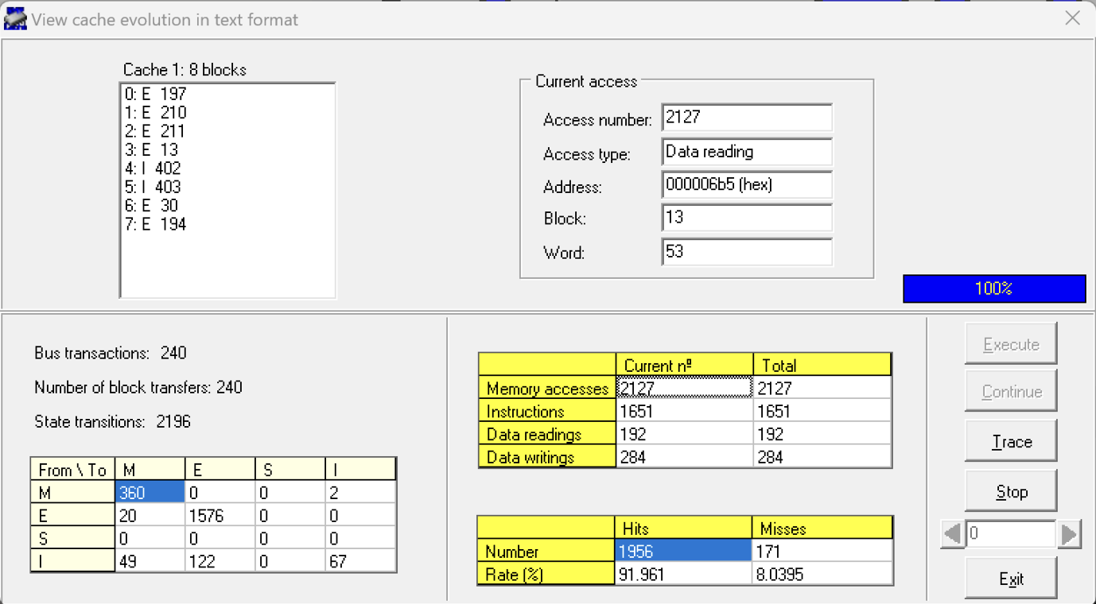
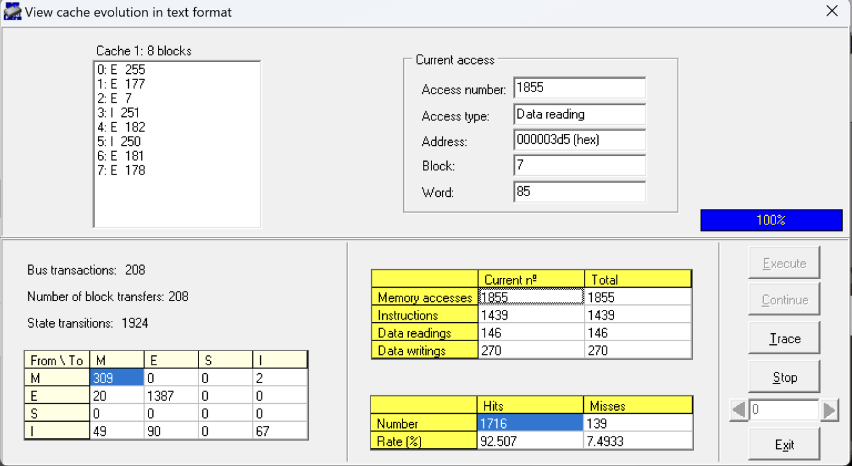
 | HYDRO |  |  |  |  |  |  | HYDRO
Block size |  |  |  |  |  |  | Block size
 | 8 |  |  |  |  |  |  | 8
 | Miss rate |  |  |  |  |  |  | Miss rate
 | 91.9% |  |  |  |  |  |  | 92.5%

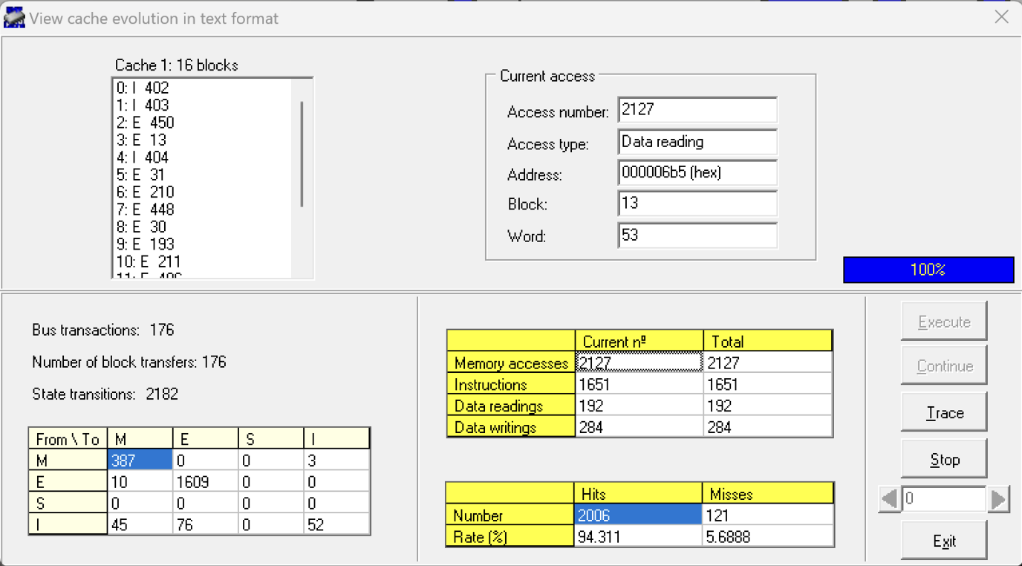
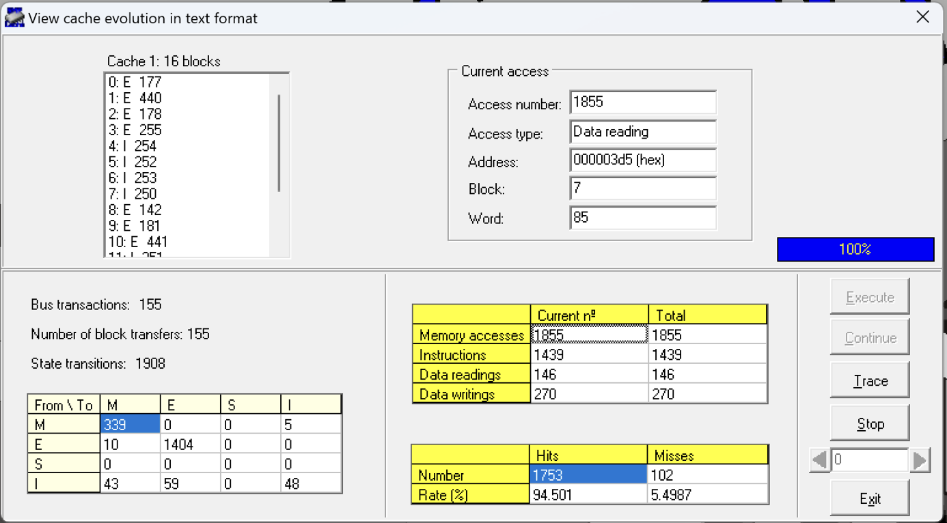
 | 16 |  |  |  |  |  |  | 16
 | Miss rate |  |  |  |  |  |  | Miss rate
 | 94.3% |  |  |  |  |  |  | 94.5%

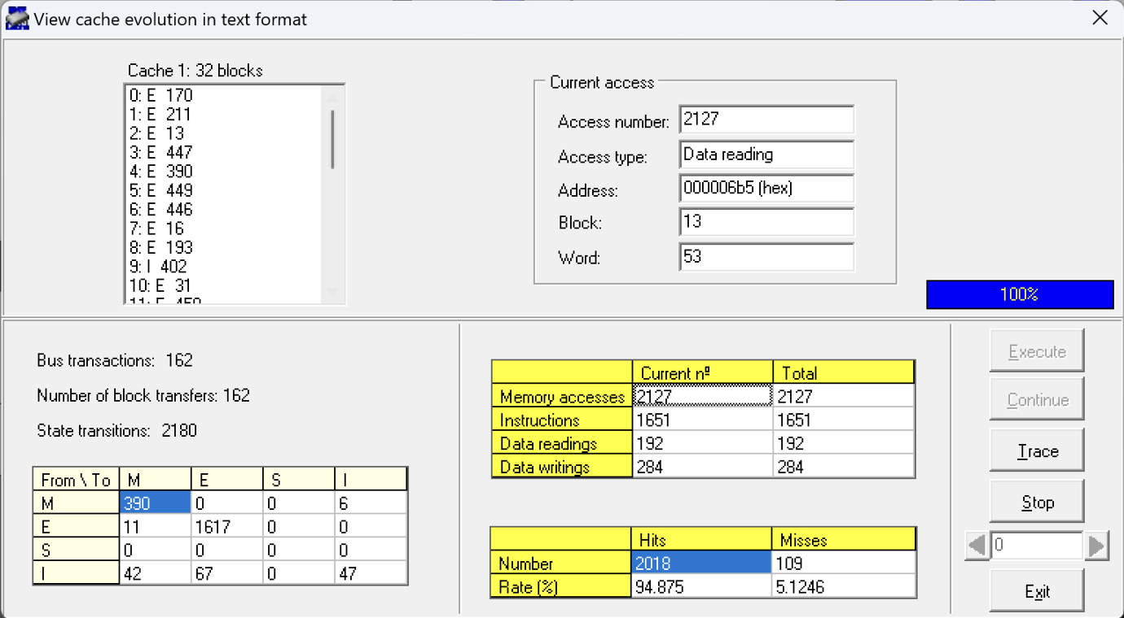
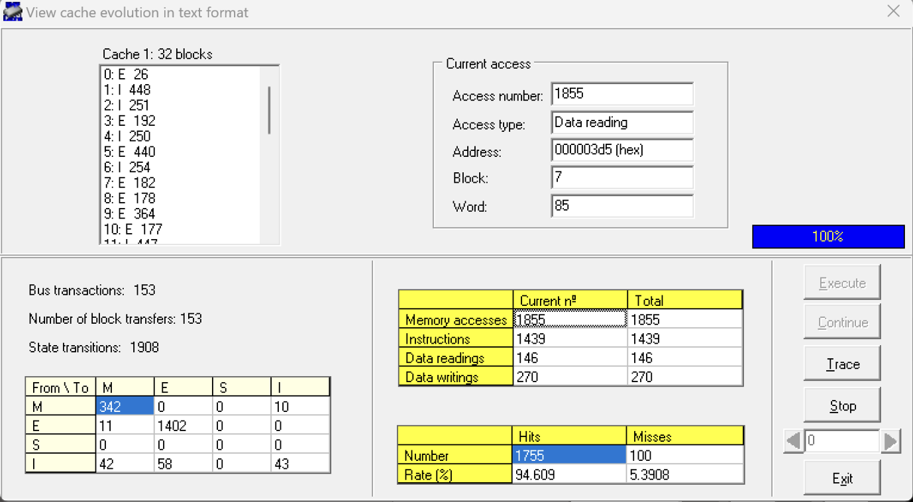
 | 32 |  |  |  |  |  |  | 32
 | Miss rate |  |  |  |  |  |  | Miss rate
 | 94.8% |  |  |  |  |  |  | 94.6%



 | 64 |  |  |  |  |  |  | 64
 | Miss rate |  |  |  |  |  |  | Miss rate
 | 95.4% |  |  |  |  |  |  | 95.3%

 |  | Block Size | 8 | 16 | 32 | 64 |  |  | Block Size | 8 | 16 | 32 | 64
 |  | Miss rate | 91.9% | 94.3% | 94.8% | 95.4% |  |  | Miss rate | 92.5% | 94.5% | 94.6% | 95.3%

